Sheet1
 |  | Document No. | Issue No. | Issue Date |  |  | Review and Replace Date |  | Authorised By
 |  | GFF247MC | X | 02.12.2020 |  |  | XXXXX |  | Magda Shah
 |  | Document Title | 20 Chicken Tikka Samosa 500G

Document amendments reason for change |  | Product updated (China) |  | Page 1 of 1 |  | Previous Issue Date |  | 27.12.2024 | Uncontrolled copy unless signed original

CCSAC-B20X4T | GAZEBO-BOOKER |  | 20 Chicken Tikka Samosa 500G
STEP 1 |  |  |  |  | STEP 2
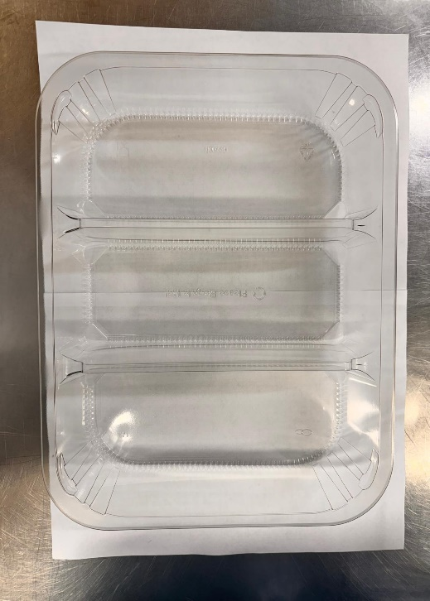 |  |  |  |  | 

 |  |  |  |  |  |  |  |  |  | X
Tray: HW308/60 - 3 CAVITY TRANS - 352X246X60-(PKESS001-10) |  |  |  |  | Chicken Tikka Samosa Cocktail 25g (Product Code: XXXX): 20 Pieces (500G)
Film:
STEP 3
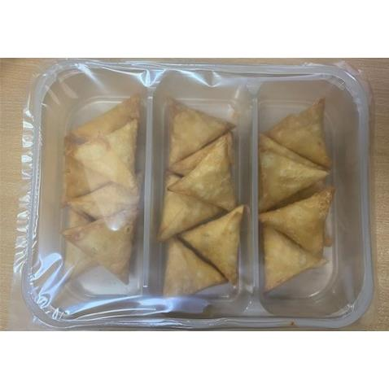

TOTAL WEIGHT: 500G

ALLERGY ALERT: WHEAT, SOYA

